2356 Beverly Ave, Fort Worth
Income Property Analyzer |  | 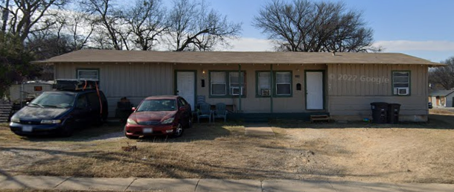 Property Picture
Address | 2356 Beverly Ave, Fort Worth, TX 76104
Listing Price | $264,900.00
# of Units (1/2/3/4) | 2
Square Footage | 1,472
Rehab (None/Light/Medium/Heavy/Full) | Light
Bedrooms/Bathrooms | 4/2
Your Offer Price | $264,900.00
Rehab Price/Sqft | $15.00
Total Rehab Estimate | $22,080.00
Total Cost (Offer + Rehab) | $286,980.00
Est. Closing Costs | $7,947.00 | Rehab Estimates per sqft 1. Light (paint, flooring, cosmetic) $15/sqft 2. Medium (Update kitchens & baths, layout, etc) $25/sqft 3. Heavy (New drywall, roof, etc. Fixing MEP) $35/sqft 4. Full-Gut (Barebones required, new everything) $50/sqft FOR ANALYSIS ESTIMATES ONLY - verify with contractor bids
Cash Invested (20% Down + Rehab) | $56,517.00
Loan Amount (Total - Cash Invested - CC) | $238,410.00

CASH FLOW
Monthly Rent | $2,204.00
1% Rule (Rent >= 1% of Purchase + Rehab) | $2,869.80
PASS 1% Rule? | NO
 |  | UTILITIES
Monthly Payment (PITI) | $1,586.59 | Electricity
Monthly OpEx (PITI + Utilities + Reserves) | $2,137.59 | Gas
 |  | Water/Sewer
Monthly Cash Flow (Rent - OpEx) | $66.41 | Garbage
Cash on Cash RoI | 1.4% | Total |  | $-

BONUSES |  | RESERVES
After Repair Value | $286,980.00 | Vacancy (%) | 5.00% | $110.20
Equity Generated | $48,570.00 | Repairs & Maint. (%) | 5.00% | $110.20
Equity Return on Cash Invested | 100.00% | CapEx (%) | 5.00% | $110.20
Est. Depreciation Tax Shield | $2,295.84 | PM Fees (%) | 10.00% | $220.40
Appreciation (Assumes 2% Appreciation) | $5,739.60 | Total |  | $551.00

